KPI Dashboard
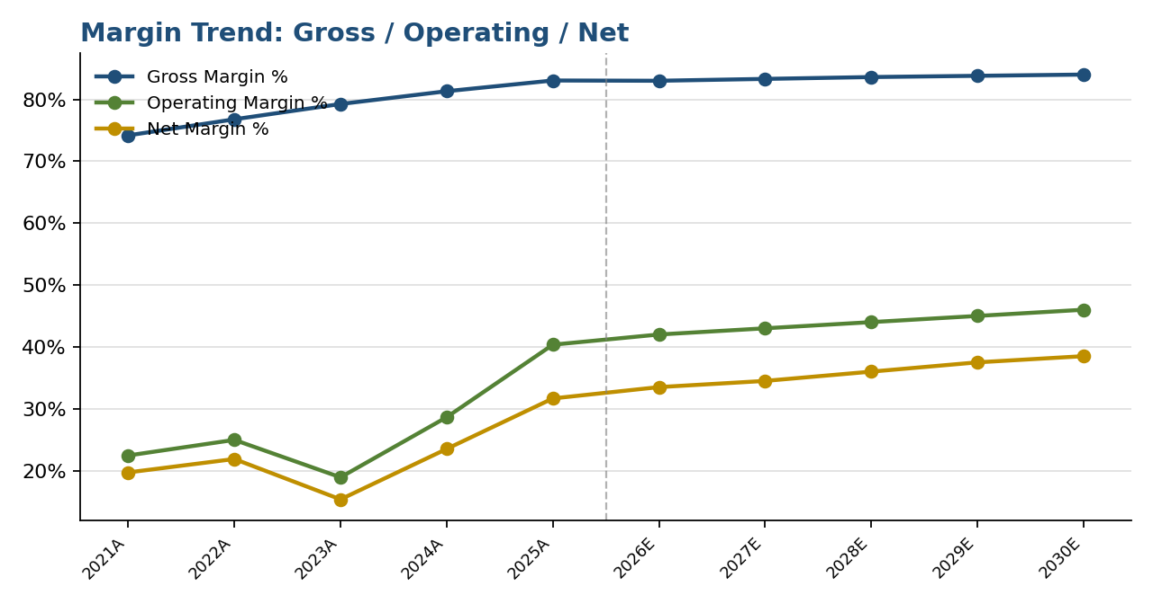
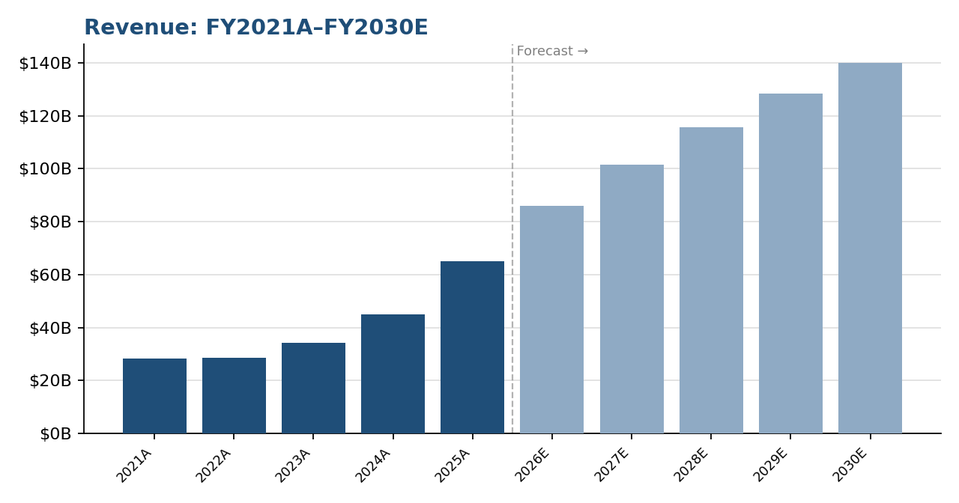
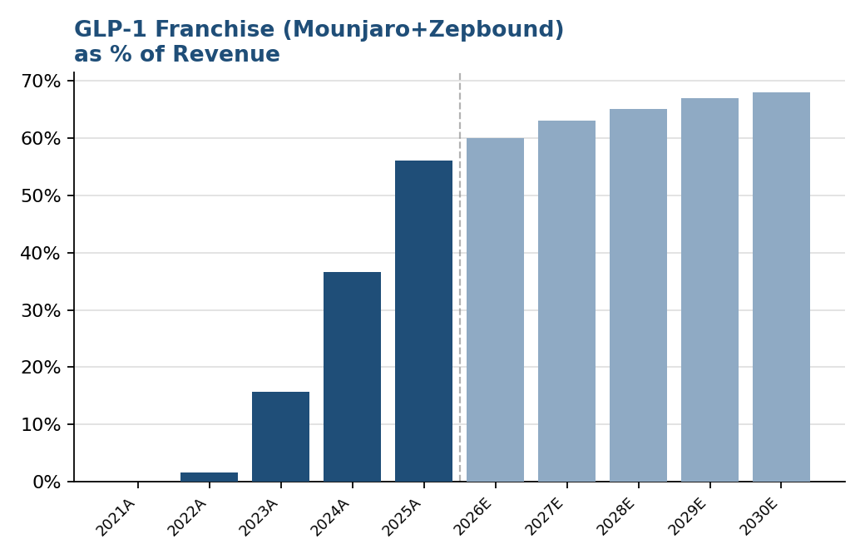
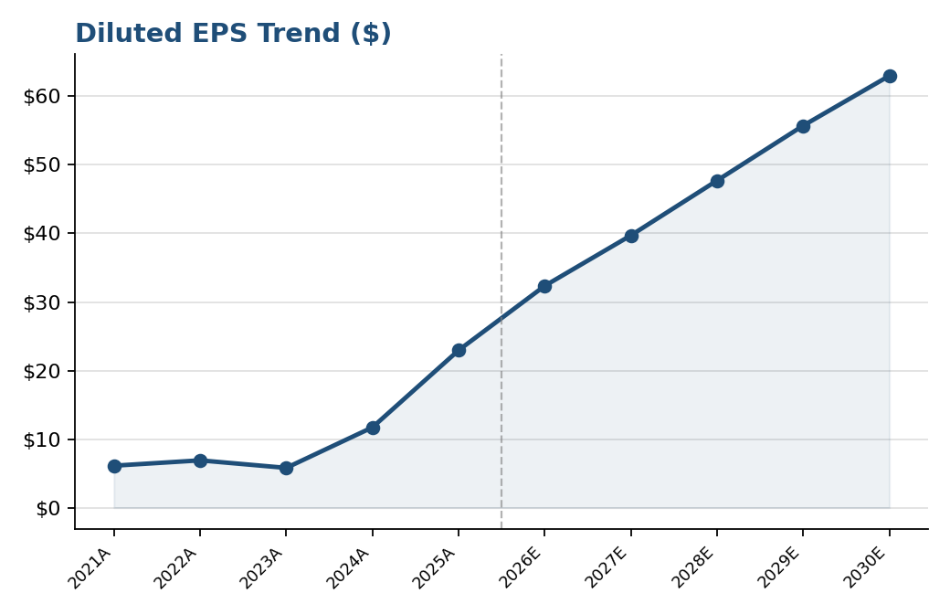
Eli Lilly - Management KPI Dashboard
FY2021A–FY2025A actuals + FY2026E–FY2030E forecast | Data linked from Income Statement / Forecast tabs

Metric | FY21A | FY22A | FY23A | FY24A | FY25A | FY26E | FY27E | FY28E | FY29E | FY30E

Revenue ($M) | 28,318 | 28,541 | 34,124 | 45,043 | 65,179 | 85,971 | 101,446 | 115,648 | 128,370 | 139,923
Revenue Growth % | n/a | 0.8% | 19.6% | 32.0% | 44.7% | 31.9% | 18.0% | 14.0% | 11.0% | 9.0%
Gross Margin % | 74.2% | 76.8% | 79.2% | 81.3% | 83.0% | 83.0% | 83.3% | 83.6% | 83.8% | 84.0%
Operating Margin % | 22.4% | 25.0% | 18.9% | 28.6% | 40.4% | 42.0% | 43.0% | 44.0% | 45.0% | 46.0%
Net Margin % | 19.7% | 21.9% | 15.4% | 23.5% | 31.7% | 33.5% | 34.5% | 36.0% | 37.5% | 38.5%
Diluted EPS | $6.12 | $6.90 | $5.80 | $11.71 | $22.95 | $32.35 | $39.71 | $47.71 | $55.72 | $62.99
GLP-1 Franchise % of Revenue | 0.40% | 2.20% | 17.10% | 25.70% | 35.20% | 60.0% | 63.0% | 65.0% | 67.0% | 68.0%

